Throughput by Time
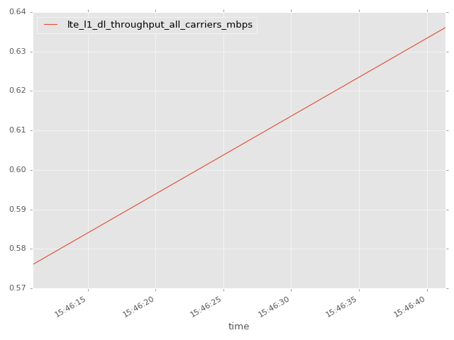
App Throughput by Time Graph | LTE Throughput by Time Graph

lte_l1_dl_throughput_all_carri
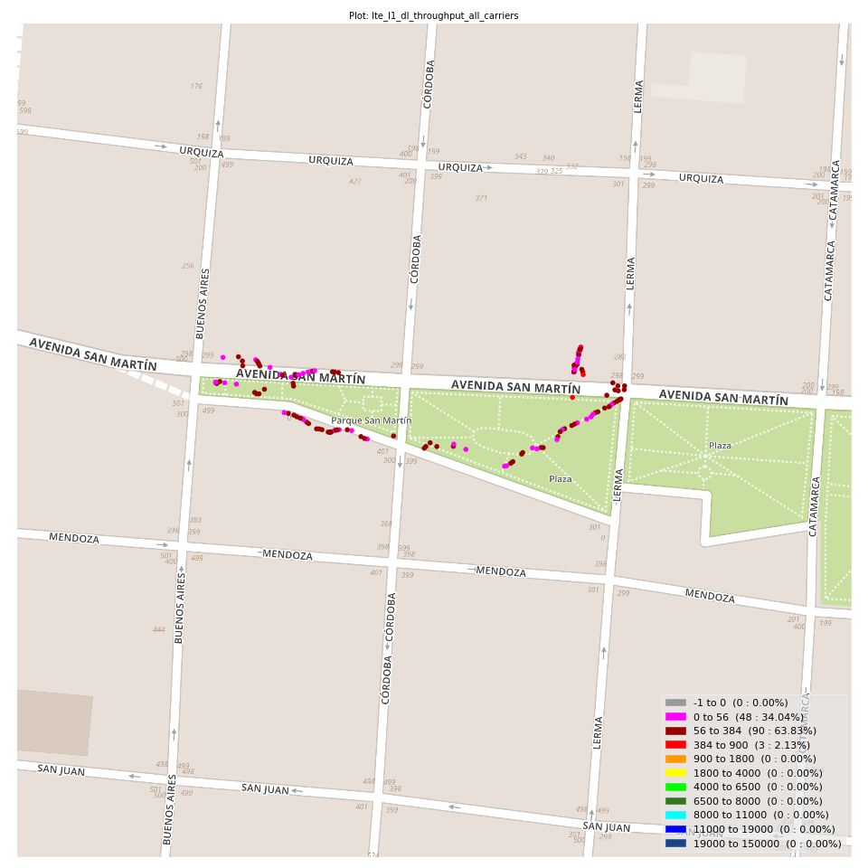
lte_l1_dl_throughput_all_carriers Report

Sampling Distribution Histogram
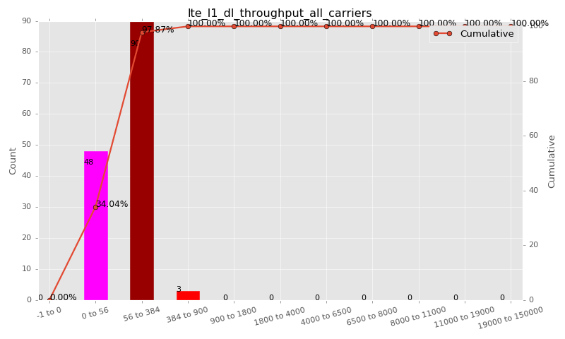

Sampling Distribution Table (first 10 ranges)
ColorXml | Lower | Upper | N Samples | Range | % | Cumulative %
 | -1 | 0 | 0 | -1 to 0 | 0.00 | 0.00
 | 0 | 56 | 48 | 0 to 56 | 34.04 | 34.04
 | 56 | 384 | 90 | 56 to 384 | 63.83 | 97.87
 | 384 | 900 | 3 | 384 to 900 | 2.13 | 100.00
 | 900 | 1800 | 0 | 900 to 1800 | 0.00 | 100.00
 | 1800 | 4000 | 0 | 1800 to 4000 | 0.00 | 100.00
 | 4000 | 6500 | 0 | 4000 to 6500 | 0.00 | 100.00
 | 6500 | 8000 | 0 | 6500 to 8000 | 0.00 | 100.00
 | 8000 | 11000 | 0 | 8000 to 11000 | 0.00 | 100.00
 | 11000 | 19000 | 0 | 11000 to 19000 | 0.00 | 100.00

Basic statistics
N | 141
Mean | 89.98
SD | 93.85
MAX | 636.08
Median | 80.00
Min | 0.19

Geographical Plot

lte_inst_rsrp_1
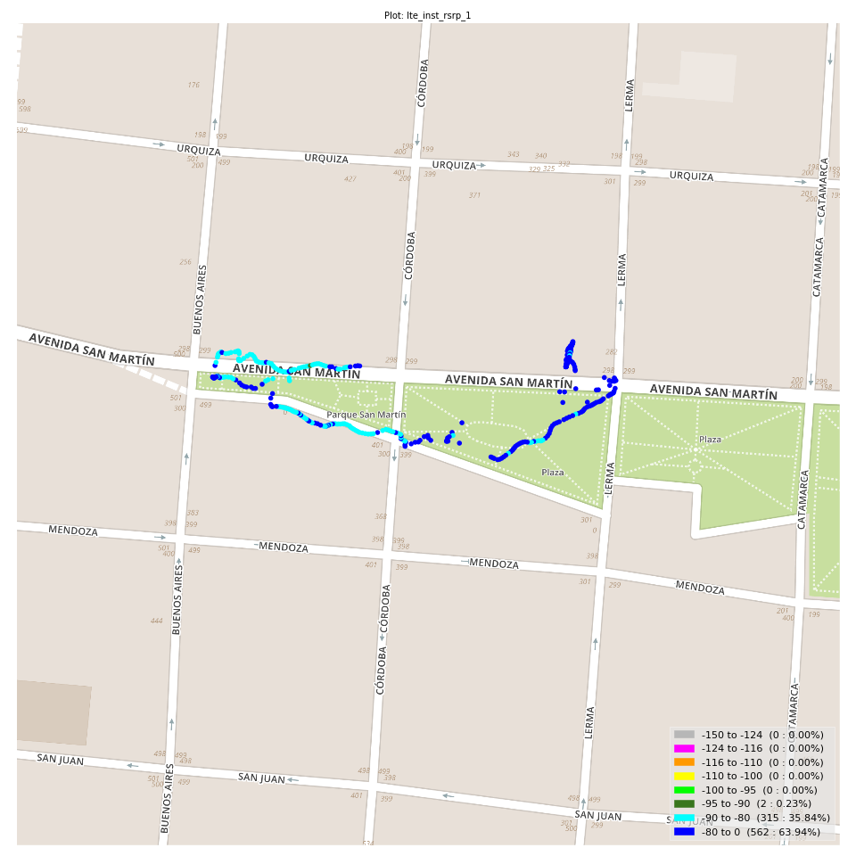
lte_inst_rsrp_1 Report

Sampling Distribution Histogram
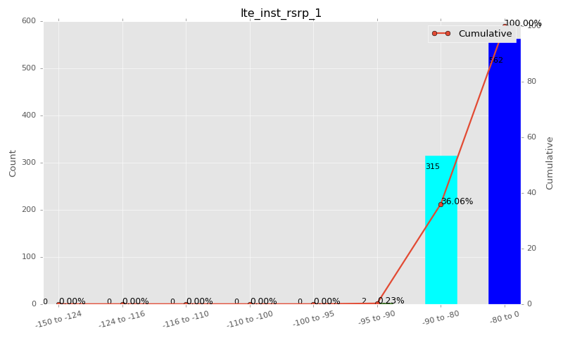

Sampling Distribution Table (first 10 ranges)
ColorXml | Lower | Upper | N Samples | Range | % | Cumulative %
 | -150 | -124 | 0 | -150 to -124 | 0.00 | 0.00
 | -124 | -116 | 0 | -124 to -116 | 0.00 | 0.00
 | -116 | -110 | 0 | -116 to -110 | 0.00 | 0.00
 | -110 | -100 | 0 | -110 to -100 | 0.00 | 0.00
 | -100 | -95 | 0 | -100 to -95 | 0.00 | 0.00
 | -95 | -90 | 2 | -95 to -90 | 0.23 | 0.23
 | -90 | -80 | 315 | -90 to -80 | 35.84 | 36.06
 | -80 | 0 | 562 | -80 to 0 | 63.94 | 100.00

Basic statistics
N | 879
Mean | -78.50
SD | 4.20
MAX | -66.10
Median | -78.31
Min | -93.44

Geographical Plot

lte_inst_rsrq_1
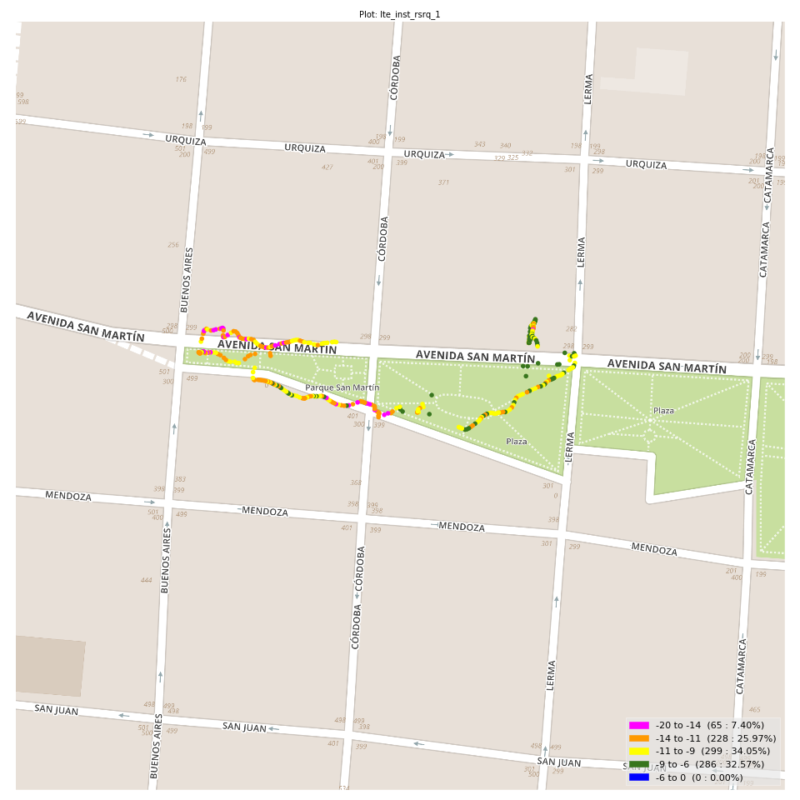
lte_inst_rsrq_1 Report

Sampling Distribution Histogram
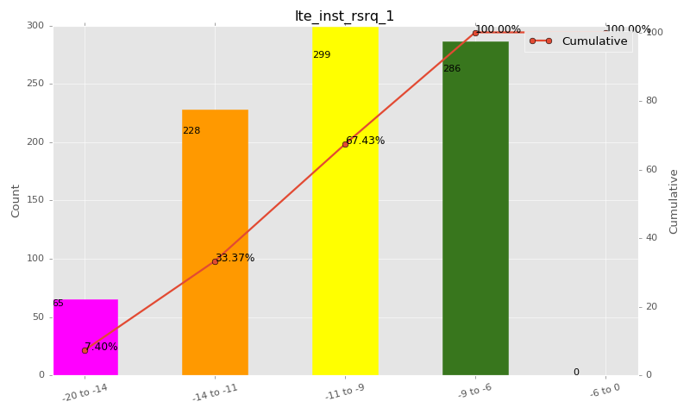

Sampling Distribution Table (first 10 ranges)
ColorXml | Lower | Upper | N Samples | Range | % | Cumulative %
 | -20 | -14 | 65 | -20 to -14 | 7.40 | 7.40
 | -14 | -11 | 228 | -14 to -11 | 25.97 | 33.37
 | -11 | -9 | 299 | -11 to -9 | 34.05 | 67.43
 | -9 | -6 | 286 | -9 to -6 | 32.57 | 100.00
 | -6 | 0 | 0 | -6 to 0 | 0.00 | 100.00

Basic statistics
N | 879
Mean | -10.36
SD | 2.29
MAX | -6.19
Median | -10.19
Min | -21.88

Geographical Plot

lte_inst_rssi_1
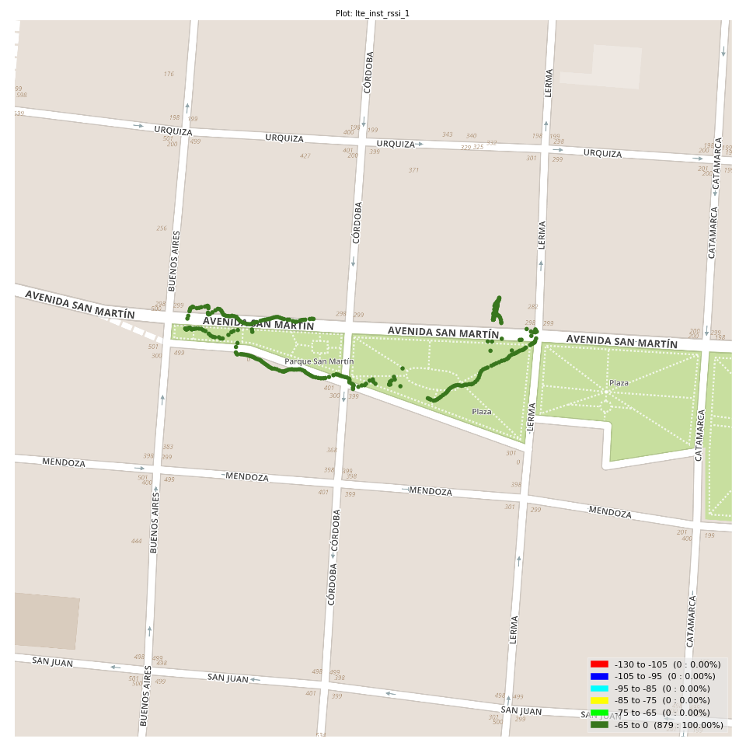
lte_inst_rssi_1 Report

Sampling Distribution Histogram
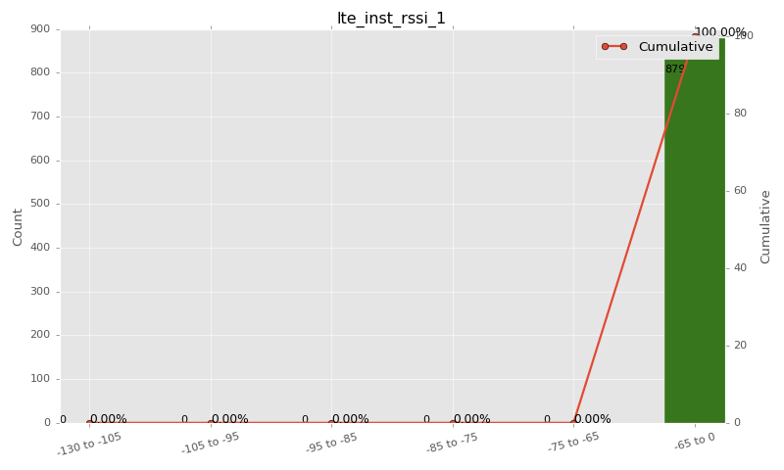

Sampling Distribution Table (first 10 ranges)
ColorXml | Lower | Upper | N Samples | Range | % | Cumulative %
 | -130 | -105 | 0 | -130 to -105 | 0.00 | 0.00
 | -105 | -95 | 0 | -105 to -95 | 0.00 | 0.00
 | -95 | -85 | 0 | -95 to -85 | 0.00 | 0.00
 | -85 | -75 | 0 | -85 to -75 | 0.00 | 0.00
 | -75 | -65 | 0 | -75 to -65 | 0.00 | 0.00
 | -65 | 0 | 879 | -65 to 0 | 100.00 | 100.00

Basic statistics
N | 879
Mean | -50.71
SD | 3.29
MAX | -40.38
Median | -50.50
Min | -62.69

Geographical Plot

lte_sinr_rx0_1
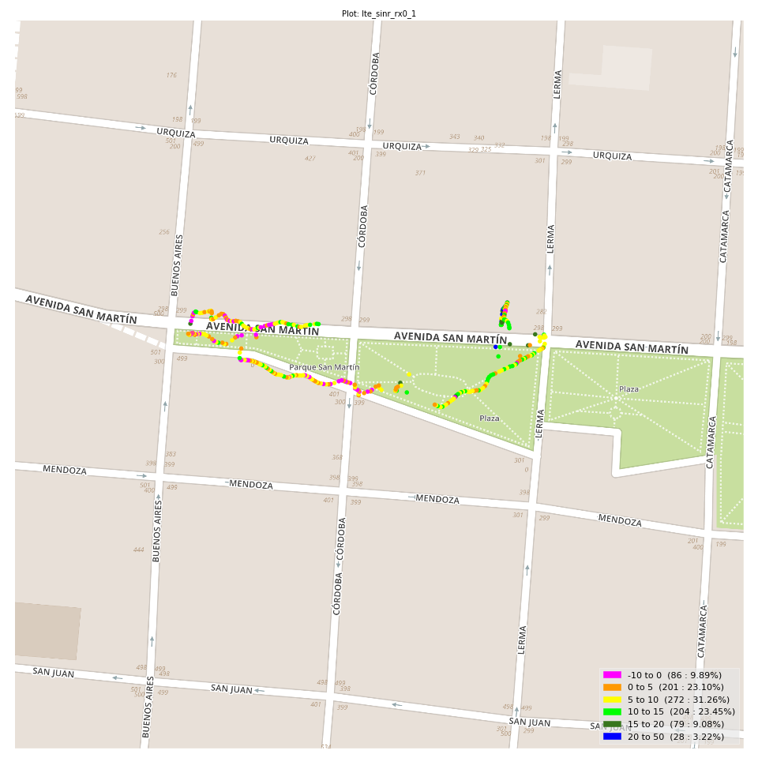
lte_sinr_rx0_1 Report

Sampling Distribution Histogram
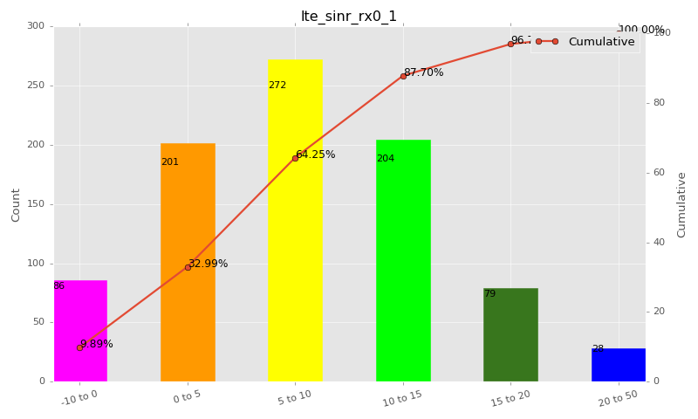

Sampling Distribution Table (first 10 ranges)
ColorXml | Lower | Upper | N Samples | Range | % | Cumulative %
 | -10 | 0 | 86 | -10 to 0 | 9.89 | 9.89
 | 0 | 5 | 201 | 0 to 5 | 23.10 | 32.99
 | 5 | 10 | 272 | 5 to 10 | 31.26 | 64.25
 | 10 | 15 | 204 | 10 to 15 | 23.45 | 87.70
 | 15 | 20 | 79 | 15 to 20 | 9.08 | 96.78
 | 20 | 50 | 28 | 20 to 50 | 3.22 | 100.00

Basic statistics
N | 873
Mean | 7.70
SD | 6.14
MAX | 24.30
Median | 7.50
Min | -17.10

Geographical Plot

lte_sinr_rx1_1

lte_sinr_rx1_1 Report

Sampling Distribution Histogram
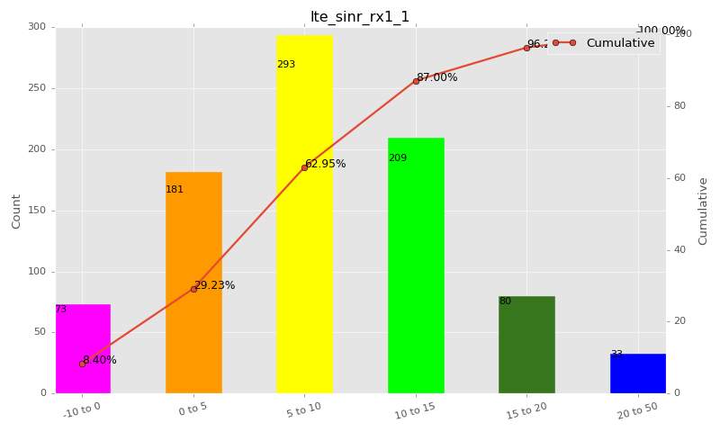

Sampling Distribution Table (first 10 ranges)
ColorXml | Lower | Upper | N Samples | Range | % | Cumulative %
 | -10 | 0 | 73 | -10 to 0 | 8.40 | 8.40
 | 0 | 5 | 181 | 0 to 5 | 20.83 | 29.23
 | 5 | 10 | 293 | 5 to 10 | 33.72 | 62.95
 | 10 | 15 | 209 | 10 to 15 | 24.05 | 87.00
 | 15 | 20 | 80 | 15 to 20 | 9.21 | 96.20
 | 20 | 50 | 33 | 20 to 50 | 3.80 | 100.00

Basic statistics
N | 875
Mean | 7.98
SD | 6.45
MAX | 25.50
Median | 8.10
Min | -17.00

Geographical Plot

lte_physical_cell_id_1
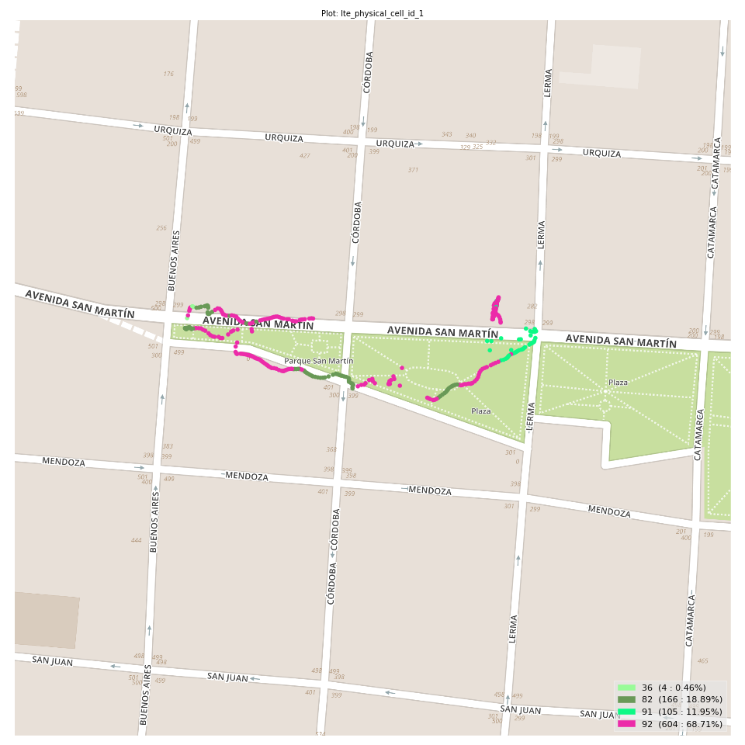
lte_physical_cell_id_1 Report

Sampling Distribution Histogram
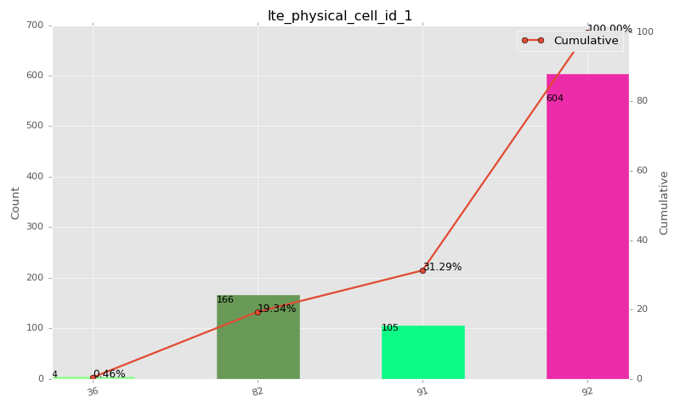

Sampling Distribution Table (first 10 ranges)
ColorXml | Lower | Upper | match_value | N Samples | Range | % | Cumulative %
 |  |  | 36 | 4 |  | 0.46 | 0.46
 |  |  | 82 | 166 |  | 18.89 | 19.34
 |  |  | 91 | 105 |  | 11.95 | 31.29
 |  |  | 92 | 604 |  | 68.71 | 100.00

Basic statistics
N | 879
Mean | N/A (id-type column: lte_physical_cell_id_1)
SD | N/A (id-type column: lte_physical_cell_id_1)
MAX | N/A (id-type column: lte_physical_cell_id_1)
Median | N/A (id-type column: lte_physical_cell_id_1)
Min | N/A (id-type column: lte_physical_cell_id_1)

Geographical Plot

lte_earfcn_1
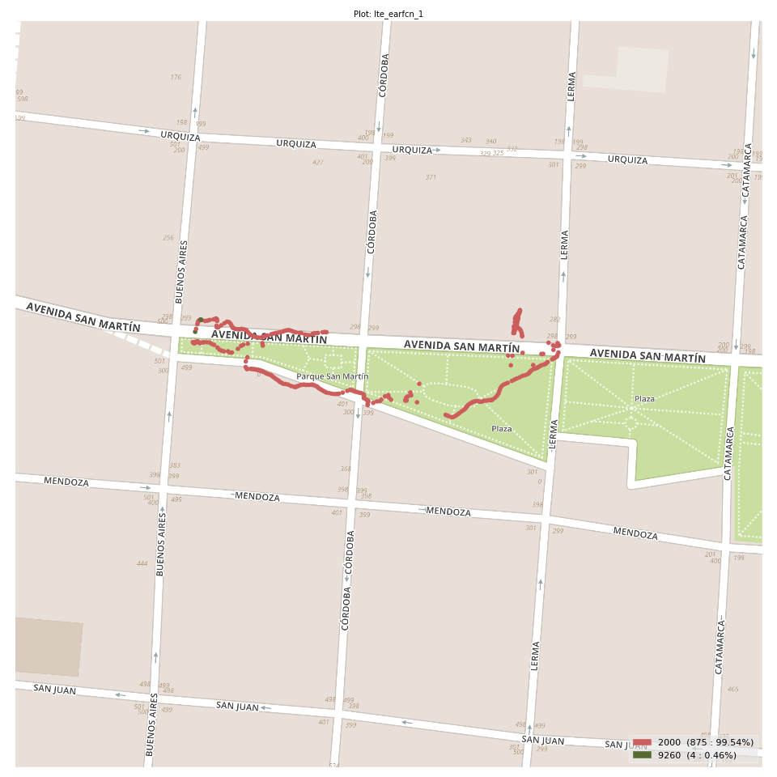
lte_earfcn_1 Report

Sampling Distribution Histogram
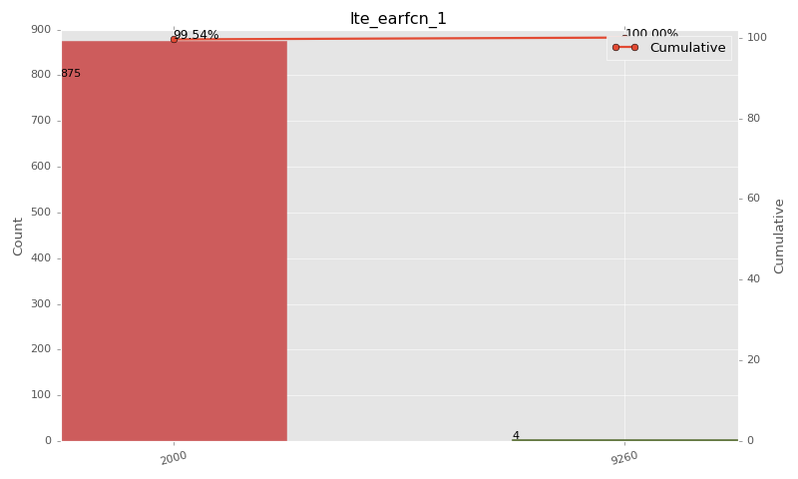

Sampling Distribution Table (first 10 ranges)
ColorXml | Lower | Upper | match_value | N Samples | Range | % | Cumulative %
 |  |  | 2000 | 875 |  | 99.54 | 99.54
 |  |  | 9260 | 4 |  | 0.46 | 100.00

Basic statistics
N | 879
Mean | N/A (id-type column: lte_earfcn_1)
SD | N/A (id-type column: lte_earfcn_1)
MAX | N/A (id-type column: lte_earfcn_1)
Median | N/A (id-type column: lte_earfcn_1)
Min | N/A (id-type column: lte_earfcn_1)

Geographical Plot

